Order Form
neptune Clamshell card EM/Presco Order Form
Customer Details

Company Name:

Account Number: |  | Purchase Order Number:

Delivery Address: |  | State: | Postcode:

Contact Name: |  | Contact Number:

Site Reference (if applicable):

Product Type

Choose one of the following product types

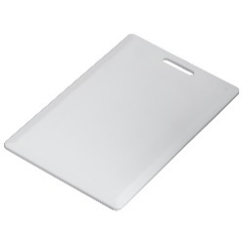

 | • Cards are Laser Engraved with Card Numbers by default.

Programming Details

Order Quantity (MOQ=10)

Select Technology

Format

Facilty/Site Code

Start Number

End Number

Offset (if any)

Approval

Name |  |  | Please send completed form to productioncontrol@lsc.com.au

Date
 |  |  |  | v3_2026-03-25

